Sheet1
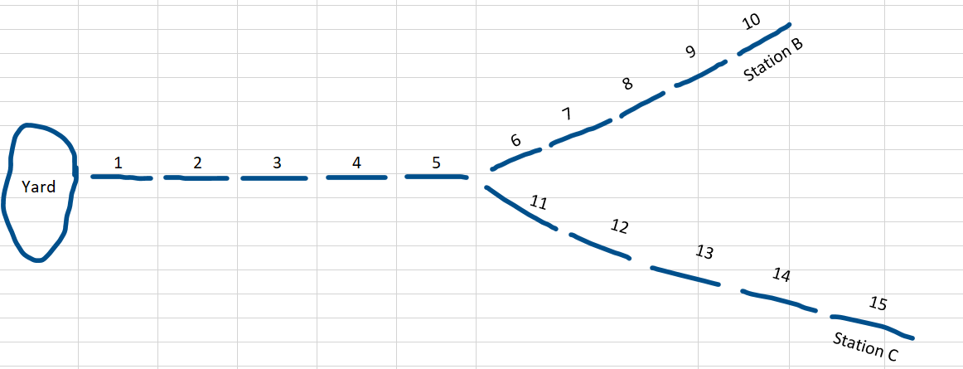
Line | Section | Block Number | Block Length (m) | Block Grade (%) | Speed Limit (Km/Hr) | Cumaltive Elevation (m) | Block Occupancy | Temp | Infrastructure | Station Side | Beacon Message or Infrastructure State | Heaters | Power Failure | Track Circuit Failure | Broken Rail Failure | Embarking | Ticket Sales
Blue | A | 1 | 50 | 0 | 50 | 0.00 | 0 | 74 |  |  |  |  | 0 | 0 | 0
Blue | A | 2 | 50 | 0 | 50 | 0.00 | 0 | 74 |  |  |  |  | 0 | 0 | 0
Blue | A | 3 | 50 | 0 | 50 | 0.00 | 0 | 74 | RXR |  | 0 |  | 0 | 0 | 0
Blue | A | 4 | 50 | 0 | 50 | 0.00 | 0 | 74 |  |  |  |  | 0 | 0 | 0
Blue | A | 5 | 50 | 0 | 50 | 0.00 | 0 | 74 | Switch (6,11) |  | 0 |  | 0 | 0 | 0
Blue | B | 6 | 50 | 0 | 50 | 0.00 | 0 | 74 | Light |  | 0 |  | 0 | 0 | 0
Blue | B | 7 | 50 | 0 | 50 | 0.00 | 0 | 74 |  |  |  |  | 0 | 0 | 0
Blue | B | 8 | 50 | 0 | 50 | 0.00 | 0 | 74 |  |  |  |  | 0 | 0 | 0
Blue | B | 9 | 50 | 0 | 50 | 0.00 | 0 | 74 | Transponder |  | Beacon Msg Here | 0 | 0 | 0 | 0
Blue | B | 10 | 50 | 0 | 50 | 0.00 | 0 | 74 | Station B | Right |  | 0 | 0 | 0 | 0 | 0 | 0
Blue | C | 11 | 50 | 0 | 50 | 0.00 | 0 | 74 | Light |  | 0 |  | 0 | 0 | 0
Blue | C | 12 | 50 | 0 | 50 | 0.00 | 0 | 74 |  |  |  |  | 0 | 0 | 0
Blue | C | 13 | 50 | 0 | 50 | 0.00 | 0 | 74 |  |  |  |  | 0 | 0 | 0
Blue | C | 14 | 50 | 0 | 50 | 0.00 | 0 | 74 | Transponder |  | Beacon Msg Here | 0 | 0 | 0 | 0
Blue | C | 15 | 50 | 0 | 50 | 0.00 | 0 | 74 | Station C | Right |  | 0 | 0 | 0 | 0 | 0 | 0

